1. Title Page
Final Project

Project Name: Final Project
Date: 02.16.25
Analyst Name: Jerry Siphavong

Contents:
Population Flow
Consistency checks
Wrangling steps
Column derivations
Visualizations
Recommendations

Data Source
“The Instacart Online Grocery Shopping Dataset 2017”, Accessed from www.instacart.com/datasets/grocery-shopping-2017 via Kaggle on [date].

2. Population Flow
Title page

Population flow

Exclusion flag
Condition: max_order < 5
Obervations to be removed: 1,441,548
Final total count of order_products_all: 30,992,663

Orders_products_combined
Orders_products_merged
Orders_products_all

Total: 32,434,211
Total: 32,434,488
Total: 32,434,211

1.) The grey boxes in the first row of the population flow represent the original data sets as they were when you downloaded them. In the Total fields you need to add the count of the rows when you imported the data set into Jupyter.
2.) The second row of boxes (coloured) represents the data sets after you manipulated them, e.g., removed missing values and duplicates. In the Total fields you need to add the count of the rows after conducting these operations. This offers a visual oveview of how the data flows throughout the data consistency checks.
3.) The third row, where also the arrows are coloured, represents the merges you performed between the datasets. In the Total fields you need to add the count of the rows in the merged datasets, so that you end up with the final dataset (in the red box). Keep in mind the final dataset should be without exclusions (based on the exclusion flag).

3. Consistency checks
 |  |  |  | Title page
Consistency checks

Dataset | Missing values | Missing values treatment | Duplicates
orders | 206,209 | Replaced all null to 0 | No duplicates
products | 16 | removed | 5
orders_products_prior | 0 | N/A | No duplicates
customers | 0 | N/A | No duplicates

4. Wrangling steps
 |  |  |  | Title page
Wrangling steps

Columns dropped | Columns renamed | Columns' type changed | Comment/Reason
 |  | order_id | Changed data type to string
 |  | user_id | Changed data type to string
 | order_dow to orders_day_of_week |  | Allows a clear indication on what the column title is
 | Surname to Last Name |  | Easier to understand
 | STATE to State |  | Same naming convention and formatting for entire table
 | fam_status to Family Status |  | Same naming convention and formatting for entire table
 | date_joined to Date Joined |  | Same naming convention and formatting for entire table
 | n_dependants to Number of Dependents |  | Same naming convention and formatting for entire table
 | income to Income |  | Same naming convention and formatting for entire table
 |  | user_id | Changed data type to string
_merged |  |  | Not useful for data frame

5. Column derivations
 |  |  |  | Title page

Column derivations and aggregations

In this tab you should add tables below that the frequences of flags/label variables that you produced after deriving them. NB: don't do this for continuous variables, only for flags.
Dataset | New column | Column/s it was derived from | Conditions
ords_prods_merge.pkl | price_range | prices | if row['prices'] <= 5: return 'Low-range product' elif (row['prices'] > 5) and (row['prices'] <= 15): return 'Mid-range product' elif row['prices'] > 15: return 'High range' else: return 'Not enough data'
ords_prods_merge.pkl | orders_day_of_week | order_dow | for value in df_ords_prods_merge["orders_day_of_week"]: result.append("Busiest day") elif value == 4: result.append("Least busy") else: result.append("Regularly busy")
ords_prods_merge.pkl | busiest_days | orders_day_of_week | for value in df_ords_prods_merge["orders_day_of_week"]: if value == 0 or value == 1: result1.append("Busiest days") elif value == 4 or value == 3: result1.append("Slowest days") else: result1.append("Regularly busy")
ords_prods_merge.pkl | result2 | order_hour_of_day | for value in df_ords_prods_merge["order_hour_of_day"]: if value in [10, 11, 14, 15, 13, 12, 16, 9]: result2.append("Most orders") elif value in [23, 6, 0, 1, 5, 2, 4, 3]: result2.append("Fewest orders") else: result2.append("Average orders")
orders_products_merged_updated.pkl | order_number mean | department_id | df.groupby('department_id').agg({'order_number': ['mean']})
orders_products_merged_updated.pkl | order_number mean, min, max | department_id | df.groupby('department_id').agg({'order_number': ['mean', 'min', 'max']})
orders_products_merged_updated.pkl | order_number, max_order | user_id | df_ords_prods_merge['max_order'] = df_ords_prods_merge.groupby(['user_id'])['order_number'].transform('max')
orders_products_merged_updated.pkl | loyalty_flag | max_order | orders_products_merged_updated.pkl
orders_products_merged_updated.pkl | spending_flag | average_spending | df_ords_prods_merge.loc[df_ords_prods_merge['average_spending'] >= 10, 'spending_flag'] = 'High spender' df_ords_prods_merge.loc[df_ords_prods_merge['average_spending'] < 10, 'spending_flag'] = 'Low spender'
orders_products_merged_updated.pkl | order_frequency | days_since_prior_order | df_ords_prods_merge['order_frequency'] = df_ords_prods_merge.groupby(['user_id'])['days_since_prior_order'].transform('median')
orders_products_merged_updated.pkl | order_frequency_flag | order_frequency | df_ords_prods_merge.loc[df_ords_prods_merge['order_frequency'] > 20, 'order_frequency_flag'] = 'Non-frequent customer' df_ords_prods_merge.loc[(df_ords_prods_merge['order_frequency'] <= 20) & (df_ords_prods_merge['order_frequency'] > 10), 'order_frequency_flag'] = 'Regular customer' df_ords_prods_merge.loc[df_ords_prods_merge['order_frequency'] <= 10, 'order_frequency_flag'] = 'Frequent customer'
orders_products_merged_updated.pkl | average_spending | prices | df_ords_prods_merge['average_spending'] = df_ords_prods_merge.groupby(['user_id'])['prices'].transform('mean')

loyalty_flag | spending_flag | order_frequency_flag
Regular customer 15891077 | Low spender 31798751 | Frequent customer 21577409
Loyal customer 10293737 | High spender 635461 | Regular customer 7217134
New customer 6249398 | Name: count, dtype: int64 | Non-frequent customer 3639669
Name: count, dtype: int64 |  | Name: count, dtype: int64

6. Visualizations
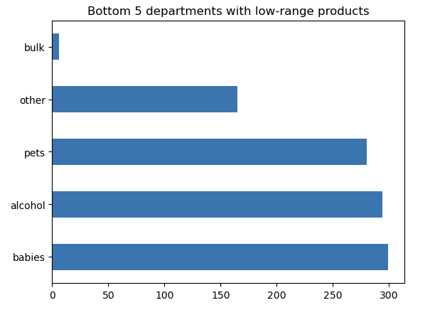
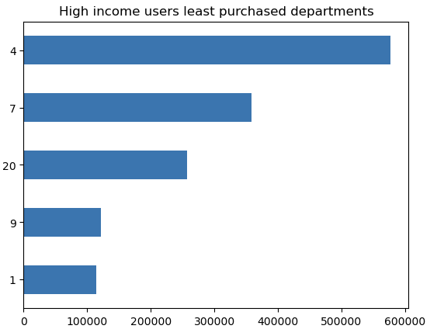
 | Title page

Visualisations

In this tab you should include all the visualtions from Exercises 4.9 and 4.10, alongside the questions from the project brief that they answer. Include any commentary on the relationship between different variables.

Question 1
The sales team needs to know what the busiest days of the week and hours of the day
are (i.e, the days and times with the most orders) in order to schedule ads at times when there are fewere orders)

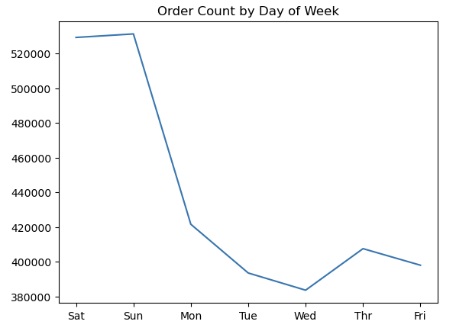
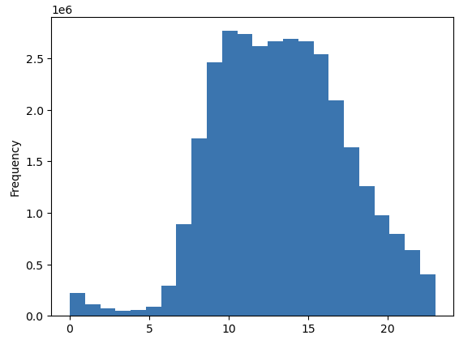

Question 2
They also want to know whether there are particular times of the day when people
spend the most money, as this might inform the type of products they advertise at these times

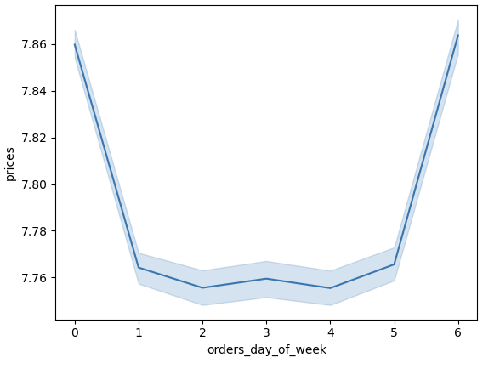
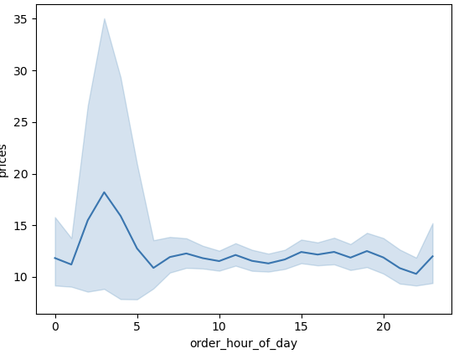

Question 3
Instacart has a lot of products with different price tags. Marketing and sales want to use
simpler price range groupings to help direct their effors.

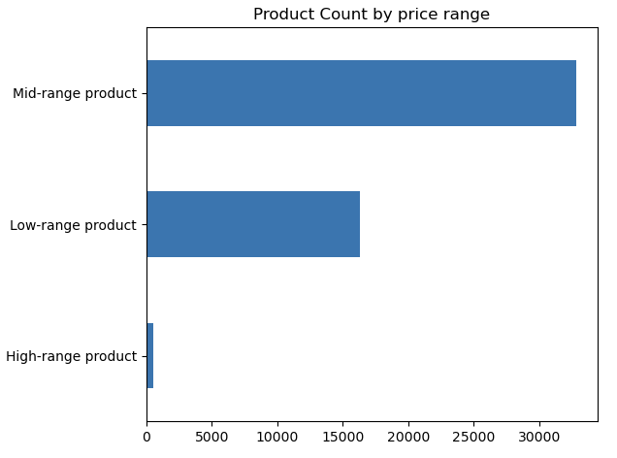

Question 4
Are there certain types of products that are more popular than others? The marketing
and sales teams want to know which departments have the highest frequency product

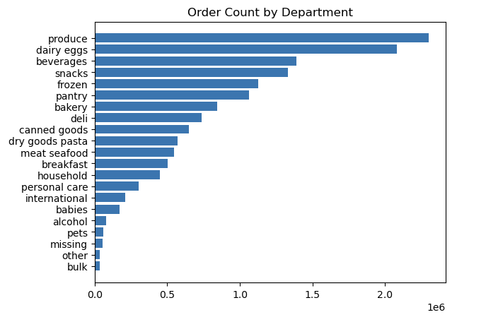

Question 5
What's the distribution among users in regards to their brand loyalty (i.e. how often do they return
instacart?)

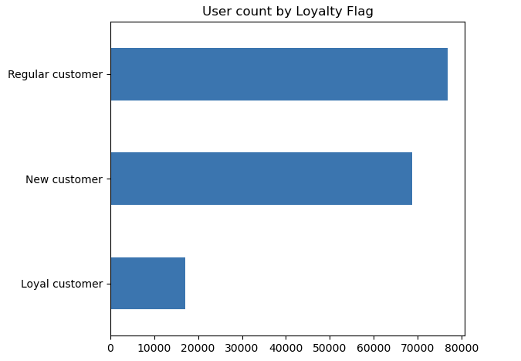

Question 6
Are there differences in ordering habits based on customer's loyalty status?

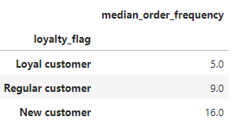

Question 7
Are there differences in ordering habits based on customer's region?

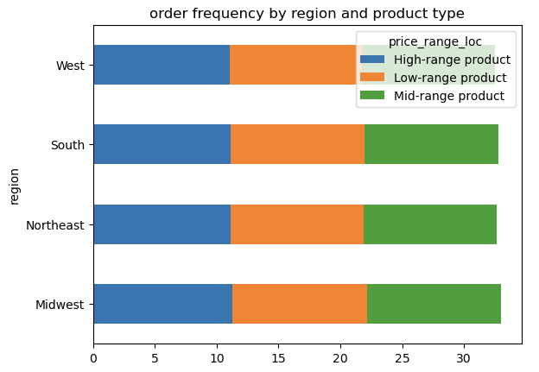

Question 8
Is there a connection between age and family status in terms of order habits?

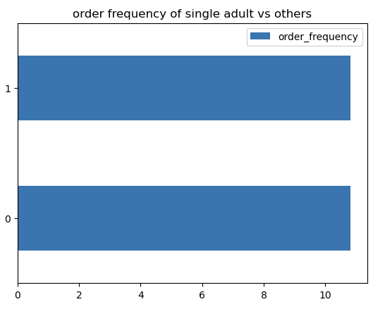

Question 9
What different classification does the demographic information suggest?
Age? Income? Certain types of goods? Family Status?

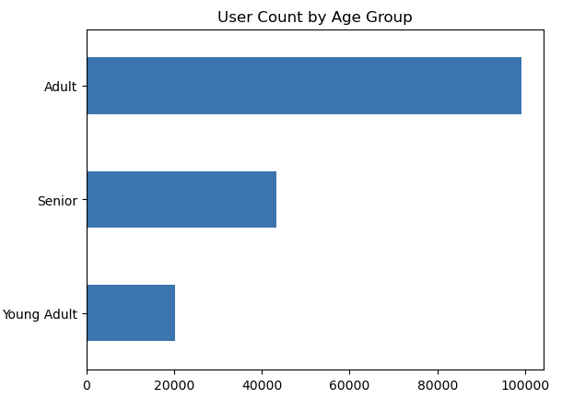
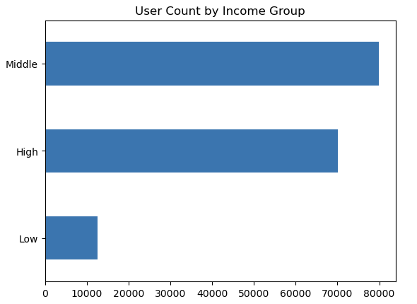

Question 10
What difference can you find in ordering habits of different customer profiles? Consider the price of orders,
the frequency of orders, the products customers are ordering, and anything else.

7. Recommendations
 |  | Title page

Recommendations

In this tab you should include any recommendations you would made to Instcart in terms of their marketing strategy based on the questions posed in the brief. Every key question has been covered in the Tasks of the Exercises - here you need to add an item - a visualisation or table/crosstable that is showing the answer in the data, acompanied by a comment from you. Please, list the questions below and add the answer underneath.

Question | Answer
The sales team needs to know what the busiest days of the week and hours of the day are | The weekend are the busiest days and midday is the busiest hours. Ads should be displayed and
(i.e, the days and times with the most orders) in order to schedule ads at times when | marketed during these times.
there are few orders

They also want to know whether there are particular times of the day when people spend | Average priced per products are the highest in the morning. Product advertisement for high ranged
the most money, as this might inform the type of products they advertise at these times. | items should be marketed during the mid-afternoon to evening.

Instacart has a lot of products with different price tages. Marketing and sales want to use | Recommended categorization for price tags are low, mid, and high range products. This allows
simpler price range groupings to help direct their efforts. | a clear visualization on how to market certain price ranges. Mid-range products are the most
 | sought out and should be the focus on advertising and marketing.

Are there certain types of products that are more popular than orthers? The marketing and | Produce, dairy, and eggs are the highest products sold. Focusing on these main departments
sales teams want to know which departments have the highest frequency of product orders. | would be the ideal route for budgeting and marketing purposes.

What's the distribution among users in regards to their brand loyalty (i.e., how often do they | The highest customer base would be new customers. Customer retention is difficult to log due to this,
return to instacart? | therefore, having a loyalty program or subscription will allow customers to return.

Are there differences in ordering habits based on a customer's loyalty status? | The biggest difference is loyal customers return and retain their loyalty status. The key is to continue
 | advertising this to all customers regardless of their loyalty status to ensure all customers are
 | receiving the same service.

Are there differences in ordering habits based on customer's region? | The south carries the most sales out of all regions. Whether it's highest or lowest sales, the south region
 | leads. With that said, there isn't a huge contrast in overall sales in these regions and marketing should
 | have a steady balance in every region.

Is there a connection between age and family status in terms of ordering habits? | No. There are no huge differences in frequency of ordering based on age and family status. Marketing should stay balanced in terms of this.

What different classifications does the demographic information suggest? Age? Income? | Middle class adults are the main customers. Whether single or a family, these are the focus of revenue.
Certain types of goods? Family status?

What differences can you find in ordering habits of different customer profiles? | Higher income users do not use instacart for alcohol or pet supplies. Lower income customers do not
Consider the price of orders, the frequency of orders, the products customers | use instacart for baby products. Knowing this, we can focus on these main departments and plan
are ordering, and anything else you can think of. | marketing, clearance, and sales to boost the sales of these departments.

